Sheet1
Uniform Distribution
 | Uniform Probability Distribution | it is a type of probability distribution where all out come have equal.
 |  | A uniform distribution, also called a rectangular distribution, is a probability distribution that has constant probability.
 | Types of uniform distribuion | 1. Discrete Uniform Distribution: It has only certain probable outcomes and not between them. If you add up all the probability, it sum up 1
 |  | 2. Continuous Uniform Distribution: It has
Discrete Uniform Distribution
 | Discrete Uniform Distribution | Probability distributed with finite equal numbes are called Discrete Uniform Distribution
P(head) = 0.5 | 0.5
P(Tail) = 0.5 | 0.5
 | PDF Formula | P(x) = 1/N
 |  | Mean E(x) = N+1 / 2
 |  | Var(x) = N2 -1/12

 | Example | A coin flip
 |  | P(head) = 0.5 | 0.5
 |  | P(Tail) = 0.5 | 0.5

 |  |  |  |  |  |  |  |  |  | Calculate Mean through probability

P(1) | 0.16666666667
P(2) | 0.16666666667
P(3) | 0.16666666667
P(4) | 0.16666666667
P(5) | 0.16666666667
P(6) | 0.16666666667
 |  |  |  |  |  |  | Rolling Dice | Probability |  | Calculate Mean |  | N + 1 | 6+1 | 7 | 3.5 |  | Calculate Mean normally | 3.5
 | Discrete Uniform Distribution Example | Rolling Die |  |  |  |  | 1 | 0.16666666667 | 6.25 |  |  | 2 | 2 | 2
 |  | P(1) | 0.16666666667 |  |  |  | 2 | 0.16666666667 | 2.25 | Calculate Variane |  | N^2 - 1 | 6^2 - 1 |  | 35 | 2.9166666667 | Calculate Var normally | 2.9166666667
 |  | P(2) | 0.16666666667 |  |  |  | 3 | 0.16666666667 | 0.25 |  |  | 12 | 12 |  | 12
 |  | P(3) | 0.16666666667 |  |  |  | 4 | 0.16666666667 | 0.25
 |  | P(4) | 0.16666666667 |  |  |  | 5 | 0.16666666667 | 2.25
 |  | P(5) | 0.16666666667 |  |  |  | 6 | 0.16666666667 | 6.25
 |  | P(6) | 0.16666666667 |  |  |  |  |  | 17.5

Continues Uniform Probability Distribution
 | Continues Uniform Probability Distribution | It is also called rectangular distribution. In this distribution that has constant probability.
 | Parameter | This distribution is defined by two parameter a & b i.e. interval
 |  | a is the minimum value
 |  | b is the maximum value
 |  | It is written as U(a,b)
 | CPDF Formula | F(x) = 1/b-a ; a<=x<=b i.e. x value range between a to b)
 |  | 0 ; othewise |  |  |  |  |  |  |  |  | Tn = a+(n-1)d
 |  | f(x) = 1 |  |  |  |  |  |  |  |  | a a+1 a+2 a+3 a+4 a+5 a+6………………..b = n values
 |  | b - a |  |  |  |  |  |  |  |  | a = First term in sequence
 | Mean | μ = a + b |  |  |  |  |  |  |  |  | d = The common difference between terms
 |  | '2 |  |  |  |  |  |  |  |  | Tn = nth term

 | Variance | σ2 = (b - a)2
 |  | '12
 | Derivation of CPDF | Suppose f(x) is the PDF of a continuous uniform distribution on the interval [a,b]. Since a uniform distribution requires that each value of the random variable be equally likely, f(x) will be a constant function. Therefore, suppose f(x)=c on the interval [a,b]. Since the definite integral of the PDF over the interval must be equal to 1, we can solve the equation ∫bacdx=1 for c. Working with the integral, we have
 |  |  |  |  |  |  |  | a a+1 a+2 a+3 a+4 a+5 a+6………………..b

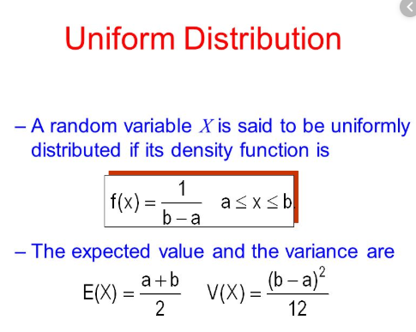
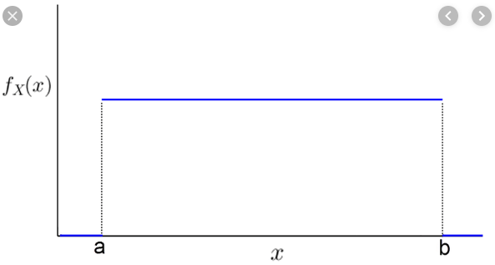
 |  | c = 1
 |  | b - a
 | Graph
 |  | b-a

 |  | 1

 | Example | Daily sales fall between 15 and 30
 |  |  |  | Sales
 | Determine f(x) Value | 1/b-a = 1/30-15 = 0.066667 | 0.066666666667 | 15 |  | 56.25 | 45 | 22.5
 |  |  |  | 16 | 0.066666666667 | 42.25 |  | 22.5
 |  | Calculate the expected value value 30+15/2 |  | 17 | 0.066666666667 | 30.25 |  | 225
 |  | 22.5 |  | 18 | 0.066666666667 | 20.25 |  | 12 | 18.75
 |  | Calculate the value of interest or expected value (X1-X2) |  | 19 | 0.066666666667 | 12.25 |  |  | 18.888888889
 |  | (30-22.5) |  | 20 | 0.066666666667 | 6.25
 |  | 7.5 |  | 21 | 0.066666666667 | 2.25
 |  | Multiply f(x) value with (x1 - x2) Value of interest |  | 22 | 0.066666666667 | 0.25
 |  | 0.5 |  | 23 | 0.066666666667 | 0.25
 |  |  |  | 24 | 0.066666666667 | 2.25
 |  | Daily sales is greater than 20 |  | 25 | 0.066666666667 | 6.25
 |  |  |  | 26 | 0.066666666667 | 12.25
 |  | Calculate the value of interest (X1-X2) |  | 27 | 0.066666666667 | 20.25
 |  | 30-20 |  | 28 | 0.066666666667 | 30.25
 |  | 10 |  | 29 | 0.066666666667 | 42.25
 |  | Multiply f(x) value with (x1 - x2) Value of interest |  | 30 | 0.066666666667 | 56.25
 |  | 12.5*0.06667 |  |  |  | 340
 |  | 0.66666666667

